Sheet1
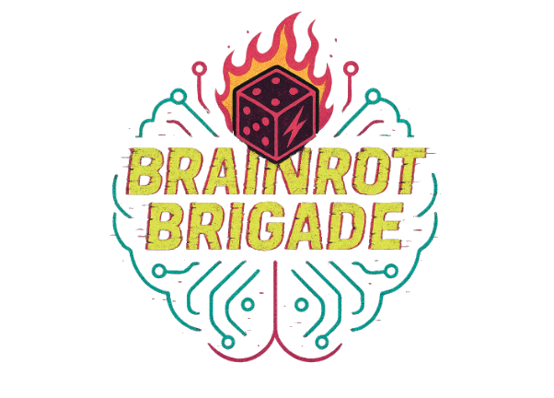
Choose a gear profile for your loadout, or else mix and match to collect your 3 starting items.
Items are single use only unless otherwise specified 'permanent'.
You cannot start the game with more than 1 permanent item.

Gear Profile | Item 1 (Choose 1) | Item 2 (Choose 1) | Item 3 (Choose 1)
Bubblepunk Hacker | Password Bubblegum (chew to remember lost codes) | Emergency Tea Synth (always brews something calming - permanent) | Popshield Poncho (inflates when startled/impacted)
Quantum Courier | Trans-galactic Walkie-Talkie (send a message to anyone in the crew - permanent) | Signal-Seeking Drone (finds nearby signals and data terminals) | Rewinder Belt (lets you take-back one action or last 5 seconds)
Cosmic Caretaker | Ooze-Vac 9000 (cleans and collects alien goop or gross stuff) | Stink Filter Nose Clips (reduce effect of all odours/fumes/gases) | 3x Sanitary Stickers (flash brightly wherever they are placed)
Planet Scavver | RoboBuddy (tiny AI robot that does small tasks & you can see through it's eyes - permanent) | Patch-n-Fix Gel (repairs small holes/tears/breaks) | Reboot Card (can force a tech item to restart, once)
Neon Librarian | Glasses of Gab (read any language for 2 minutes) | Knowledge Beacon (glows when it detects lies - permanent) | Voice-to-Text Scribeslug (records nearby sound and takes notes for 5 minutes)
Zero-G Gardener | Orbital Spore/Seed Pouch (generates handful of tiny mushrooms/flowers) | Gardener's Journal (auto-updates with recent plant knowledge - permanent) | Buzzvine Gloves (remove weeds or plant debris 2x as fast)
Underdeck Sneaker | Hush-Sole Trainers (mute all footsteps - permanent) | Wall Skimmer (lets you stick to surfaces for 1 minute) | Reality Lag Cloak (you appear 1 second behind real-time, confusing enemies)

